PCA Calculation
PCA ( Principal Component Analysis )

 | CoVariance

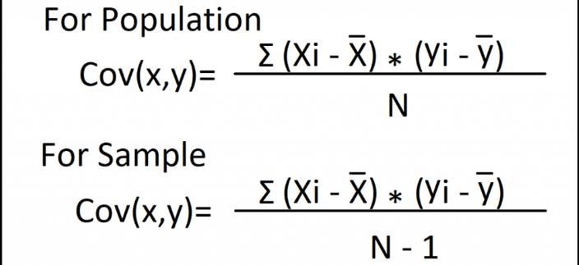

 | a0 | a1 |  | a0a0 | a0a1 | a1a0 | a1a1
 | 3 | 7 |  | 9 | 21 | 21 | 49
 | -4 | -6 |  | 16 | 24 | 24 | 36
 | 7 | 8 |  | 49 | 56 | 56 | 64
 | 1 | -1 |  | 1 | -1 | -1 | 1
 | -4 | -1 |  | 16 | 4 | 4 | 1
 | -3 | -7 |  | 9 | 21 | 21 | 49
 |  |  |  | 20 | 25 | 25 | 40
 | Mean = 0 | Mean = 0

 | Finding PCA vis Eigen Vector and Eigen Value
 |  | Use PCA to reduce the dimension from 2 -> 1

 |  | x | y
 |  | 4 | 11 |  | -10
 |  | 8 | 4 |  | 0
 |  | 13 | 5 |  | -17.5
 |  | 7 | 14 |  | -5.5
 |  |  |  |  | -11
 | 1)
 |  | No of features , n = 2
 |  | No of samples , N = 4

 |  | x-mean | 8
 |  | y-mean | 8.5

 | 2) | Covariance
 |  |  | cov(x,x) | cov(x,y) | cov(y,x) | cov(y,y)
 |  |  | 14 | -11 | -11 | 23

 | 3) | Covariance Matrix |  | nxn = 2x2
 |  |  |  |  |  |  |  |  |  |  |  |  |  | 6 |  | 3*2 |  | 2
 |  |  | A = | cov(x,x) | cov(x,y) |  |  |  |  |  |  |  |  | 3 |  | 3*1 | 3 | 1
 |  |  |  | cov(y,x) | cov(y,y) |  |  |  |  |  |  |  |  | 12 |  | 3*4 |  | 4
 |  |  |  |  |  |  |  |  |  |  |  |  |  | 9 |  | 3*3 |  | 3

 |  |  |  | 14 | -11
 |  |  | = | -11 | 23

 | 4 ) | Eigen Value , Eigen Vector , Normalized Eigen Vector
 |  |  |  | AV | = | V

 |  |  |  |  |  | A | Matrix
 |  |  |  |  |  |  | Scalar Qty | eigen value for the Matrix
 |  |  |  |  |  | V | Vector | eigen value for the Matrix

 |  |  |  | V (A - I ) = 0

 |  | a ) | Eigen Value
 |  |  |  |  |  |  |  |  | 1 | 0 | = |  | 0
 |  |  |  | det ( A - I ) = 0 |  |  |  |  | 0 | 1 |  | 0

 |  |  |  | 14 - | -11 | = | 0
 |  |  |  | -11 | 23 -

 |  |  |  | ( 14 - ) (23 - ) | 201 | = | 0

 |  |  |  | 2 - 37 + 201 |  | = | 0 |  |  | 1/2a (b2 - 4ac )

 |  |  |  |  |  | = | 30.3849 , 6.6151
 |  |  |  |  |  |  |  | First PC1 - 30.3849
 |  |  |  |  |  |  | Here 2 eigen values will have 2 eigen vectors respectively

 |  | b ) | Eigen Vector of 1

 |  |  |  | ( A - 1*I ) V1 |  | = | 0

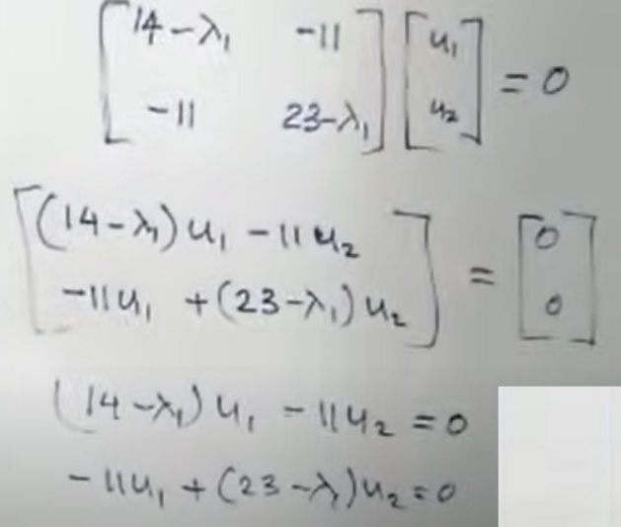

 |  |  | v1 / 11 | = | u2 / ( 14 - ) |  | = | t

 |  | When t = 1
 |  |  | v1 = 11
 |  |  | v2 = 14 -

 |  |  |  |  |  | 11 |  |  | 11 |  |  | 11
 |  |  | Eigen Vector V1 of 1 |  | = | 14 - |  | = | 14 - 30.3841 |  | = | -16.3849

 |  | c ) Normalize Eigen Vector V1
 |  |  |  |  |  | 11 /
 |  |  | e1 | = |  | 11*2 + -16.3849*2
 |  |  |  |  |  |  |  |  |  |  |  |  |  | A
 |  |  |  |  |  | -16.3849 /
 |  |  |  |  |  | 11*2 + -16.3849*2 |  |  |  |  |  |  |  |  | lamda1 | V1 | e1
 |  |  |  |  |  |  |  |  |  |  |  |  |  |  | lamda2 | V2 | e2

 |  |  |  |  |  | 0.5574
 |  |  |  | =
 |  |  |  |  |  | -0.8303

 |  |  | Eigen Vector V2 of 2 |  | e2 = | 0.8303

 |  |  |  |  |  | 0.5574

 |  | 5 ) | Derive new dataset

 |  |  |  | First Principal component ( PC1 )
 |  |  |  | P11
 |  |  |  | P12
 |  |  |  | P13
 |  |  |  | P14

 |  |  |  | P11 = | e1*T | 4 - 8
 |  |  |  |  |  | 11 - 8.5

 |  |  |  |  | = | 0.5574 | -0.8303 |  | -4
 |  |  |  |  |  |  |  |  | 2.5

 |  |  |  | P11 | = | -4.3052

 |  |  |  | P12 | 3.7361
 |  |  |  | P13 | 5.6928
 |  |  |  | P14 | -5.1238

 |  |  |  | Similarly Find Second Principal component ( PC2 )

 | Eigen Vector & Eigen Values

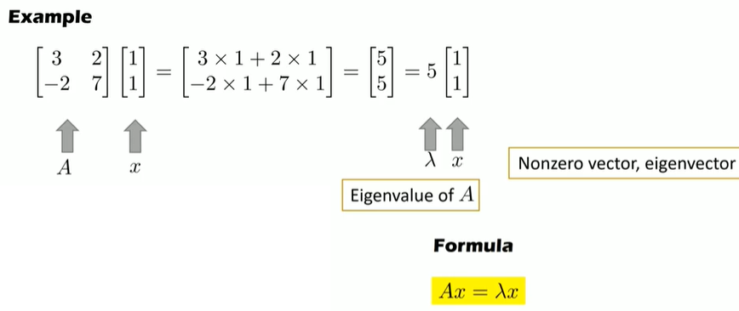

 | Reference
 |  | https://www.youtube.com/watch?v=MLaJbA82nzk
 |  | https://www.youtube.com/watch?v=osgqQy9Hr8s&t=310s

